Logging
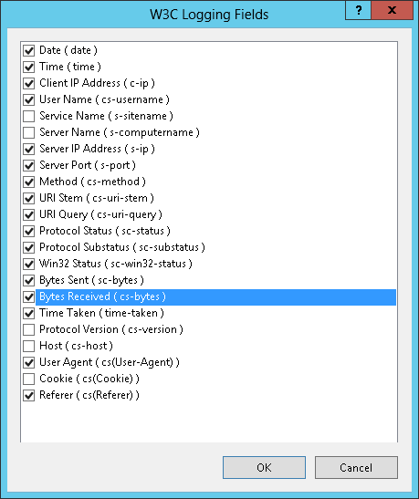
Condifure Loggign for Server
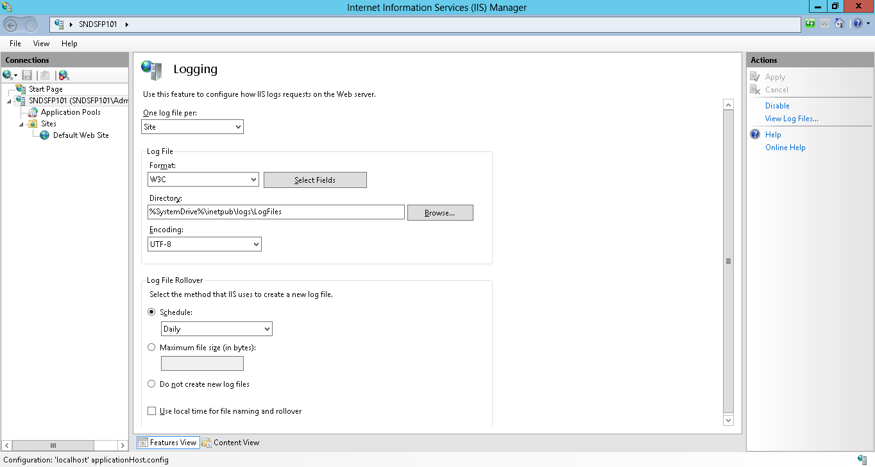

Enable sc-bytes and cs-bytes which are not checked by default

MIME
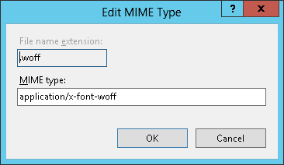
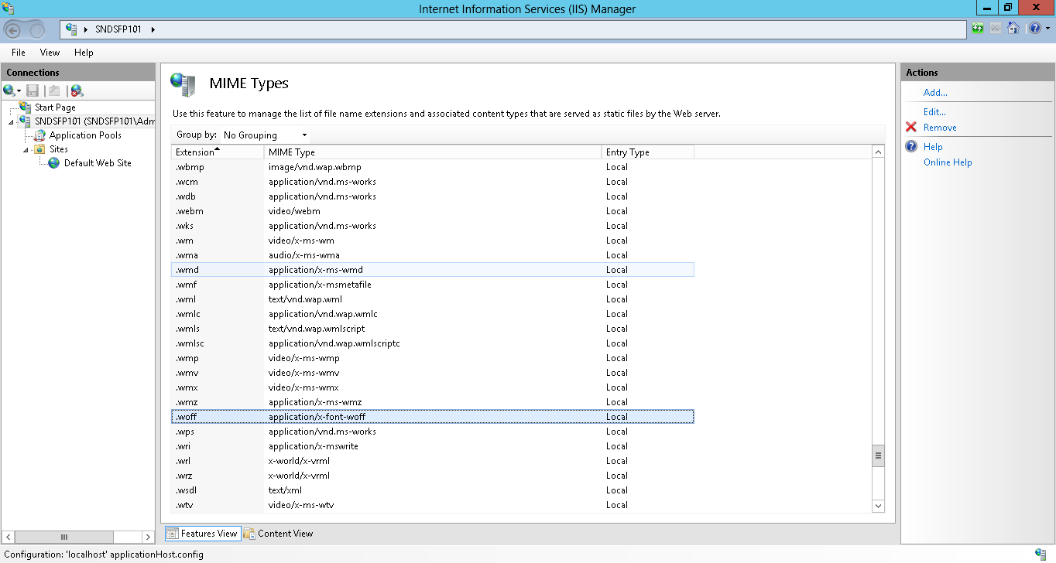
Configure MIME type for Server

Add .json
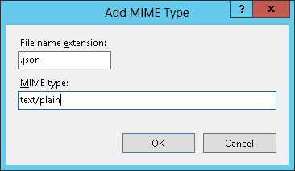

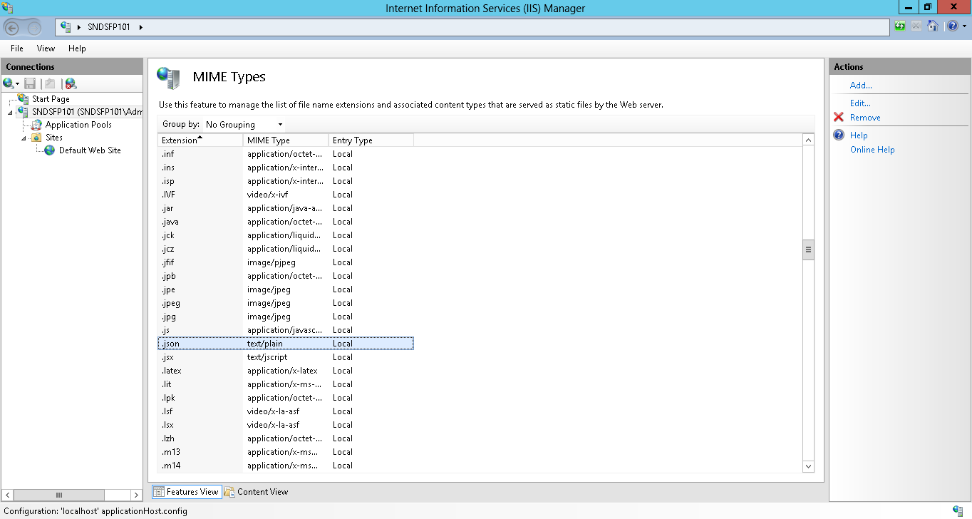

for .woff, Windows Server 2012 already have default configuration as
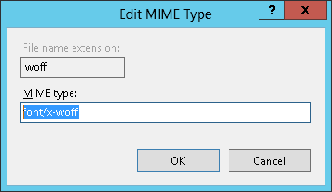

but it has not standardized
we use current development and QA configuration (merans it is already working) as below

enable ASP.NET on IIS
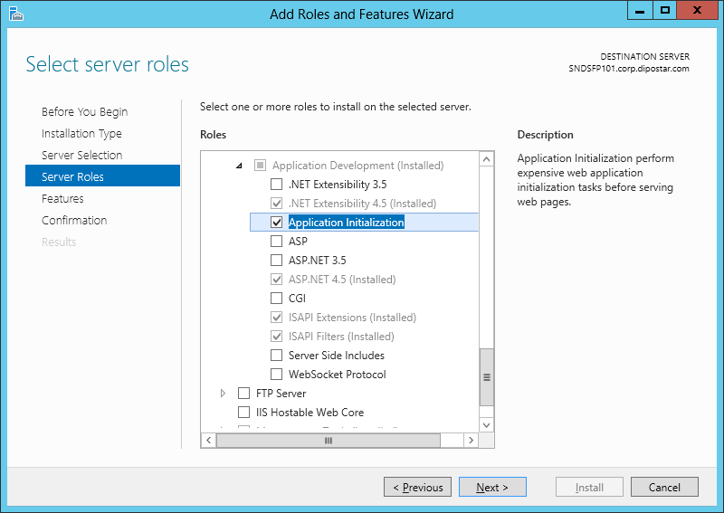
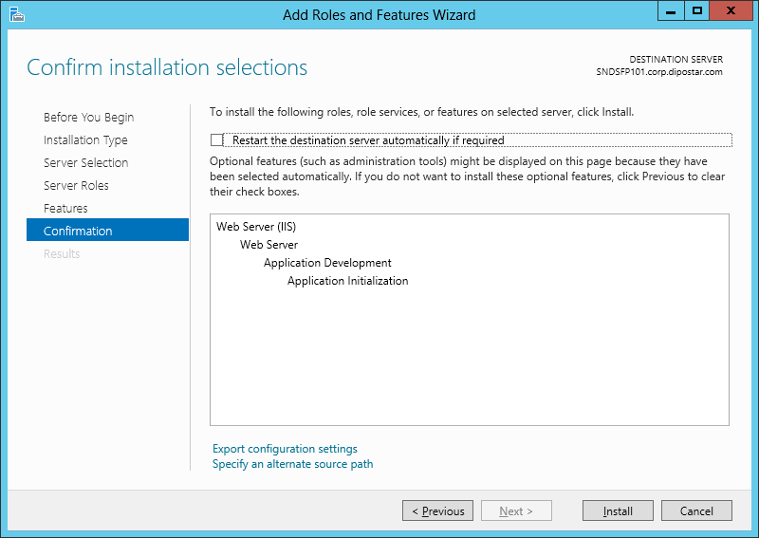
try to execute aspnet_regiiis (64bit)
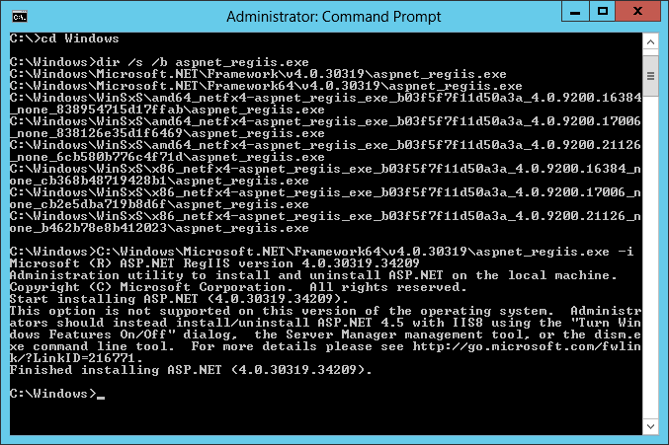

Could not be done.
As described in the message, configure (enable) via Control Panel (Control Panel\All Control Panel Items\Programs and Features)
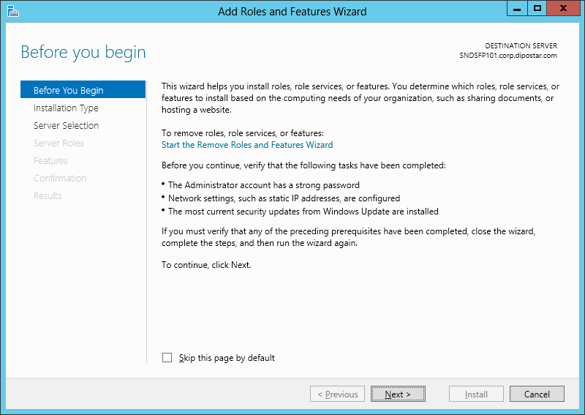

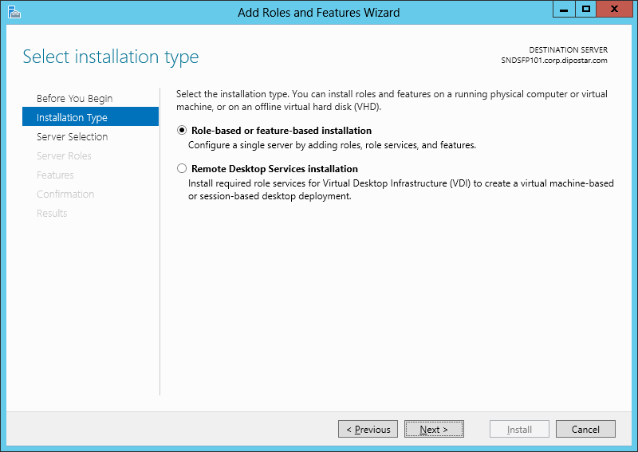

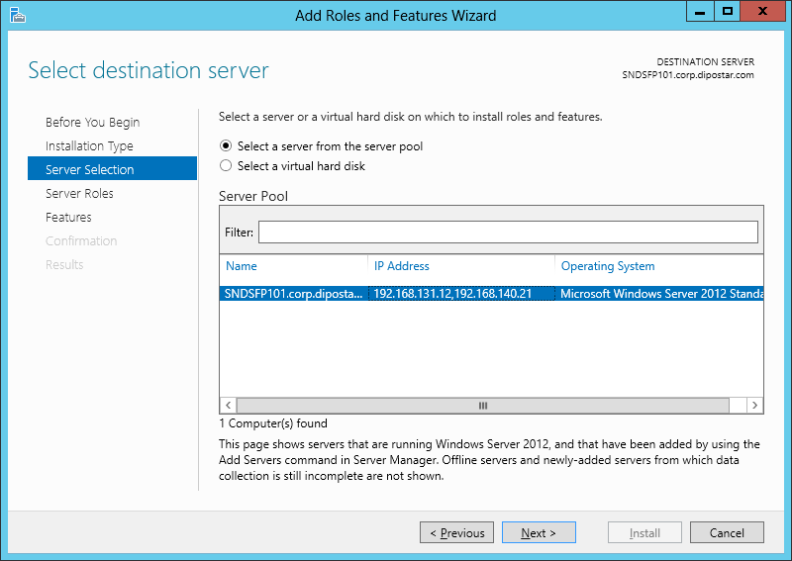

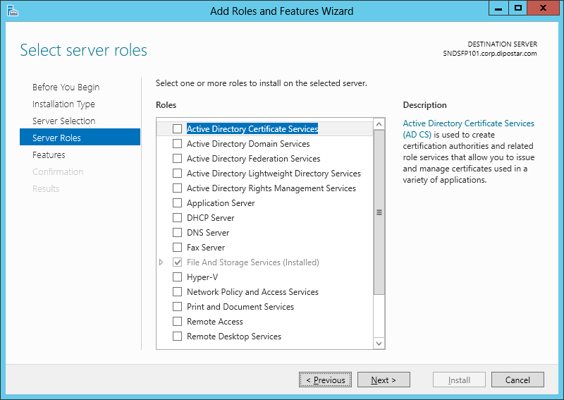

no changes here, because IIS is already enabled. just click next

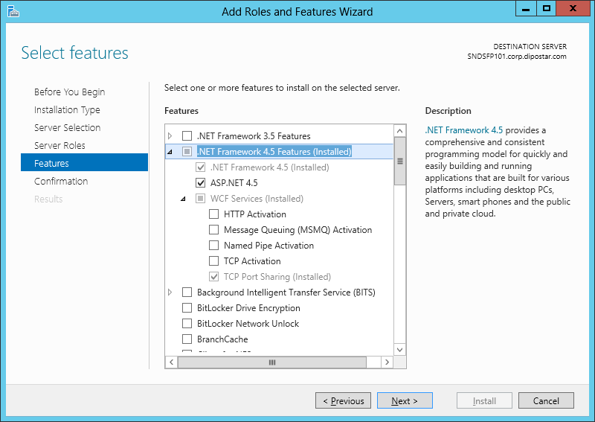

turn on ASP.NET 4.5

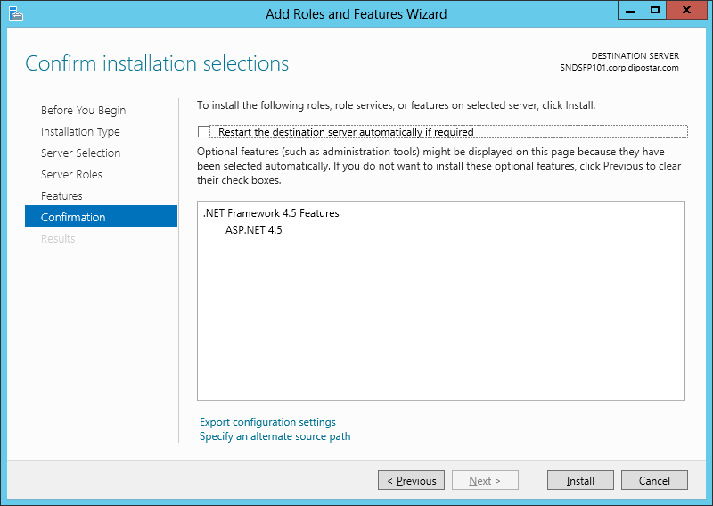

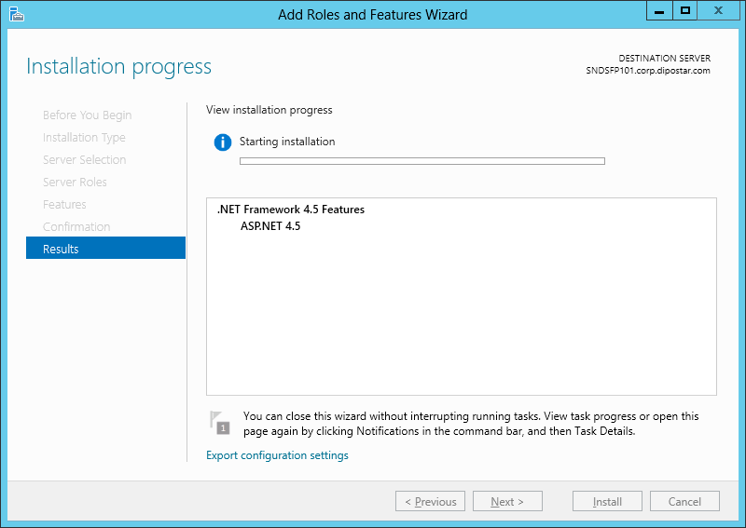

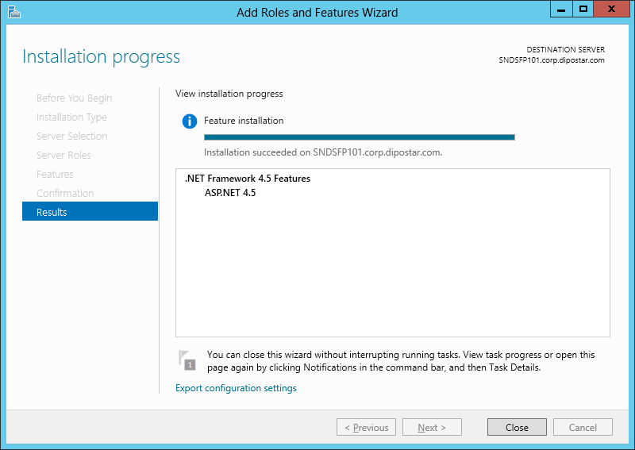

done. Click close

HTTP Activatio also
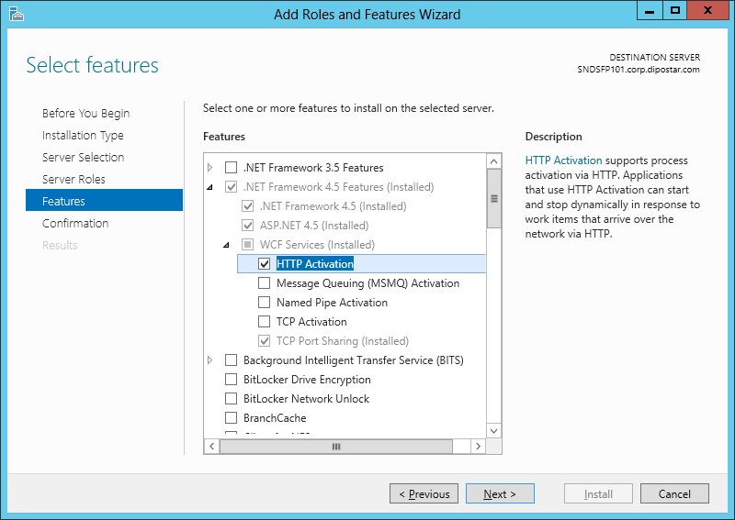

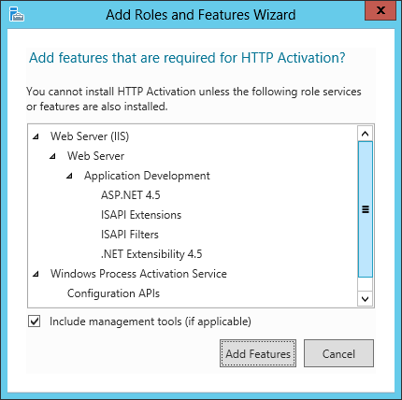

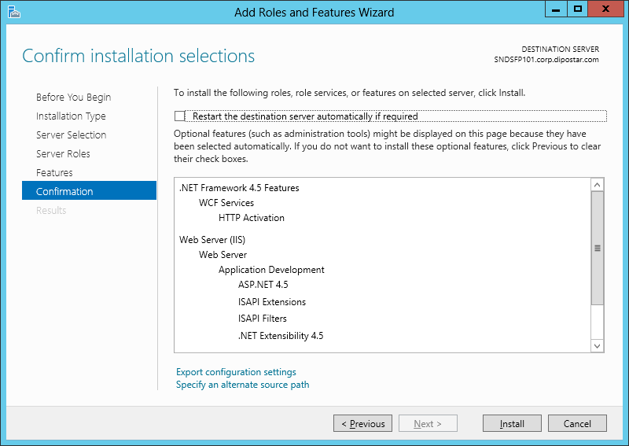

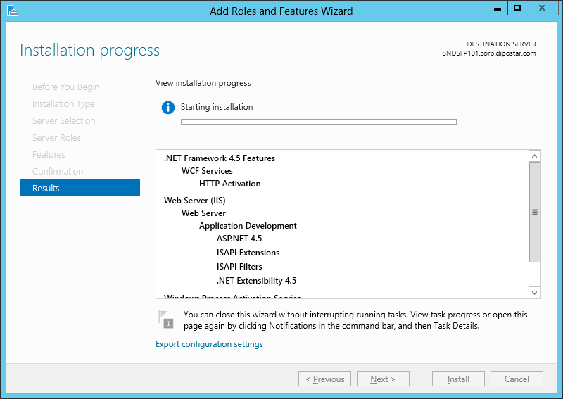

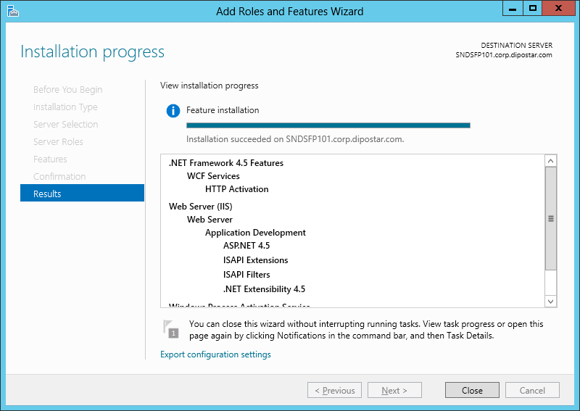

Application Initilization

App Pool
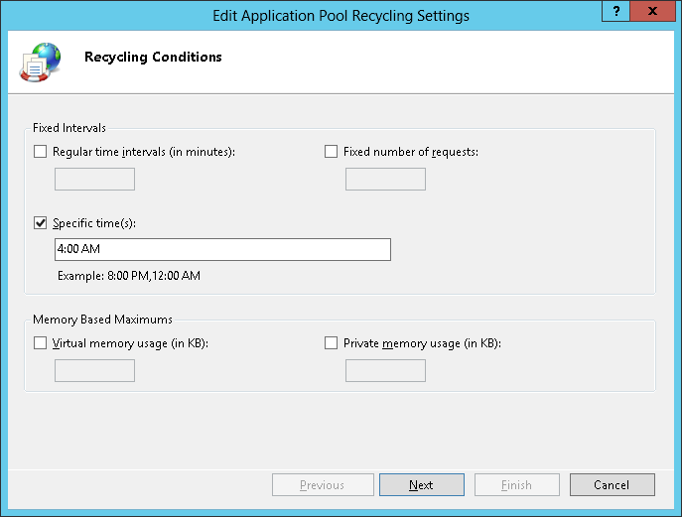
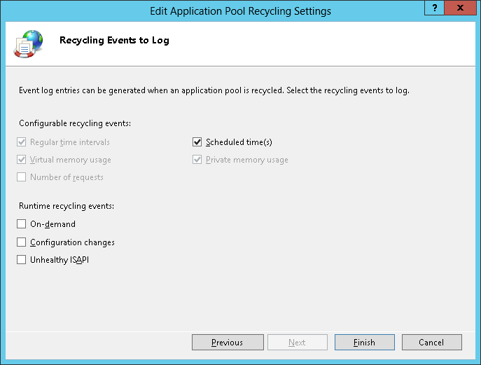
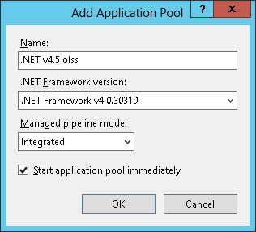

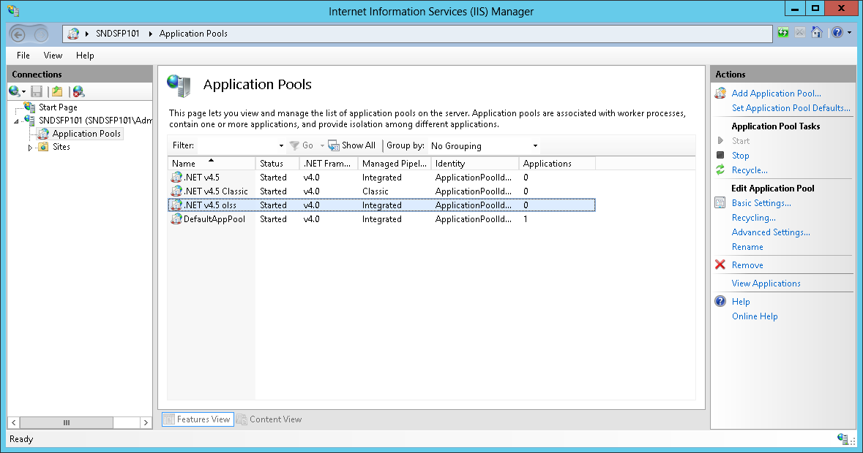

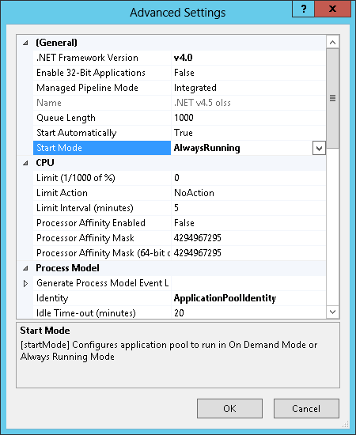
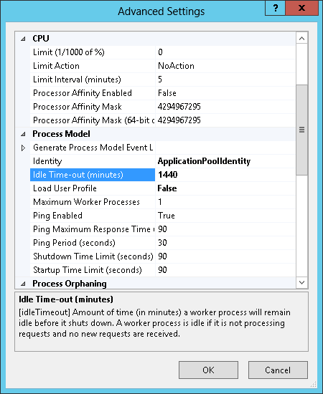

1440 min = 24 h

State Service
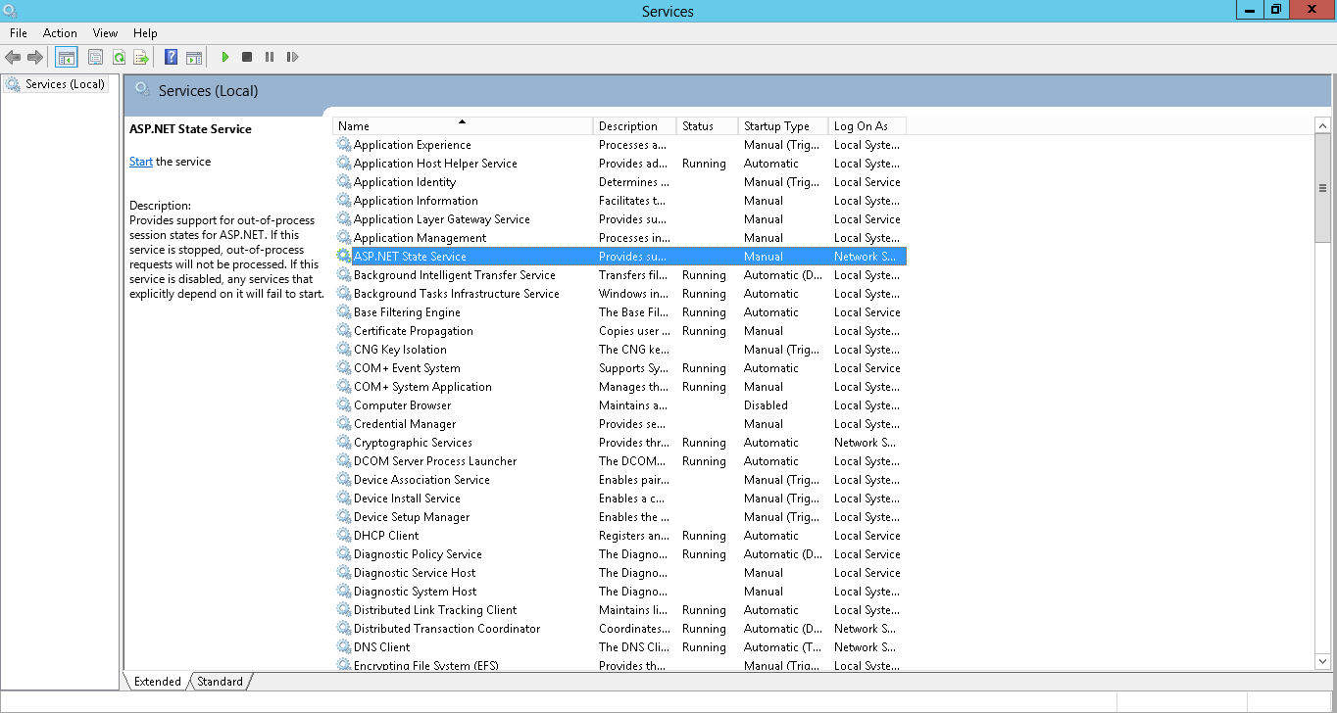

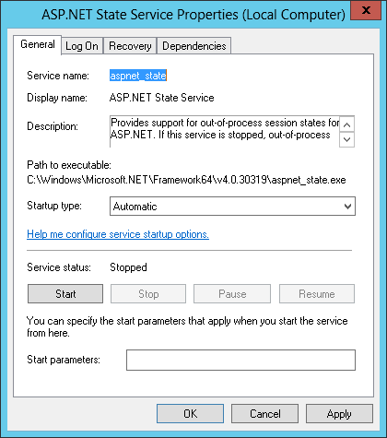

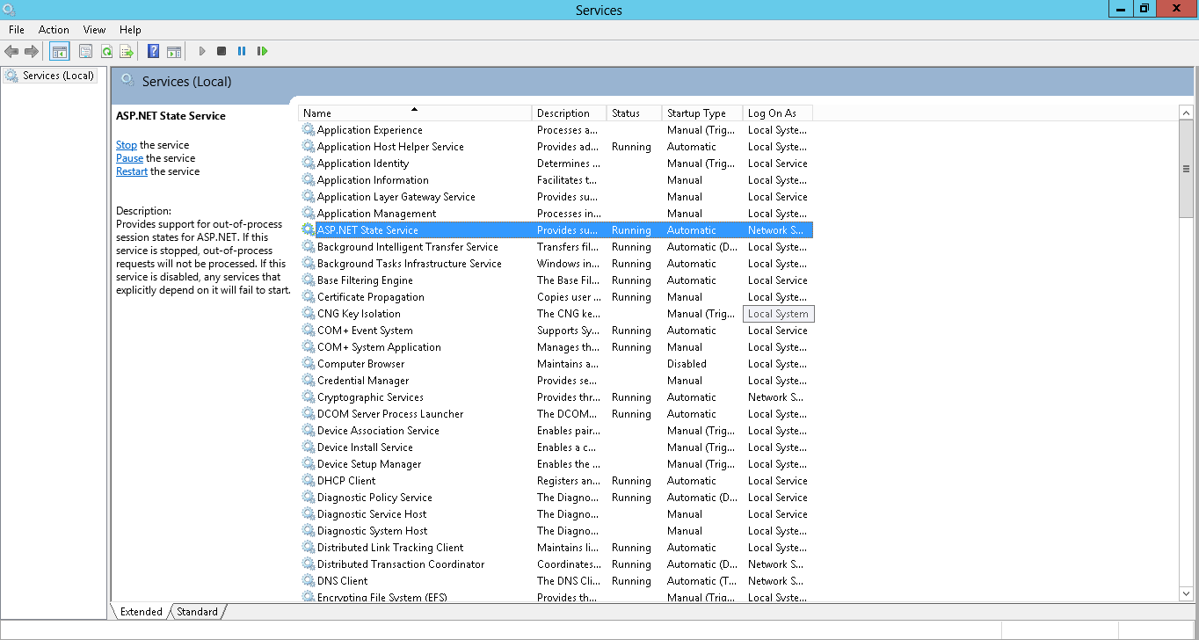

VirtualDirectory
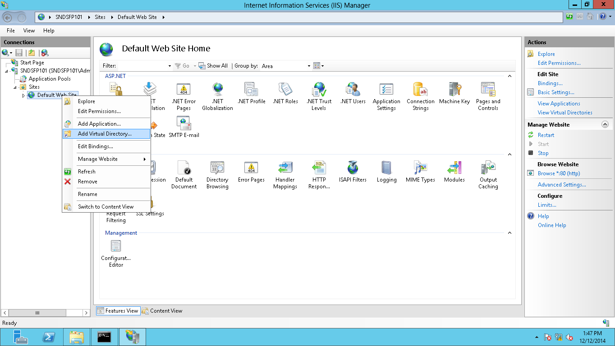

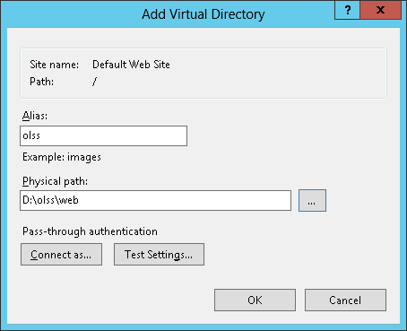

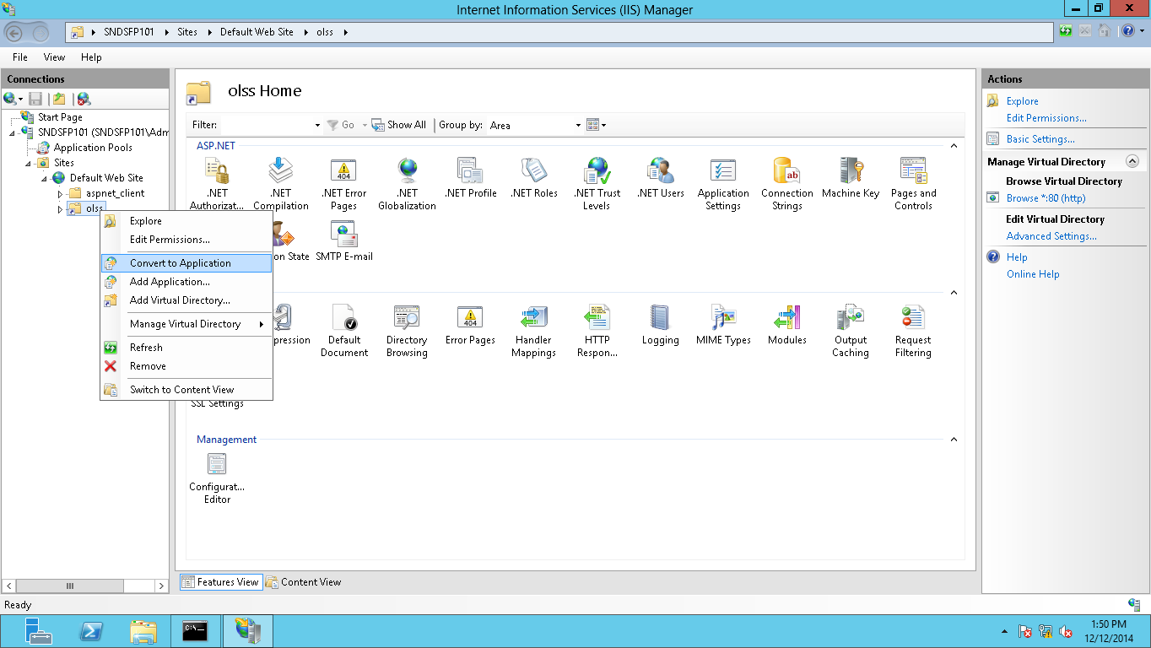

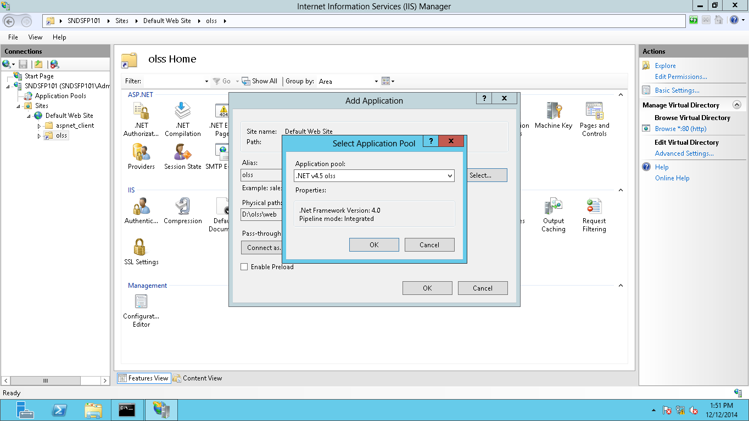

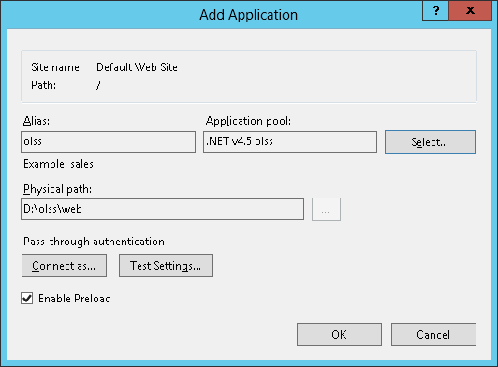

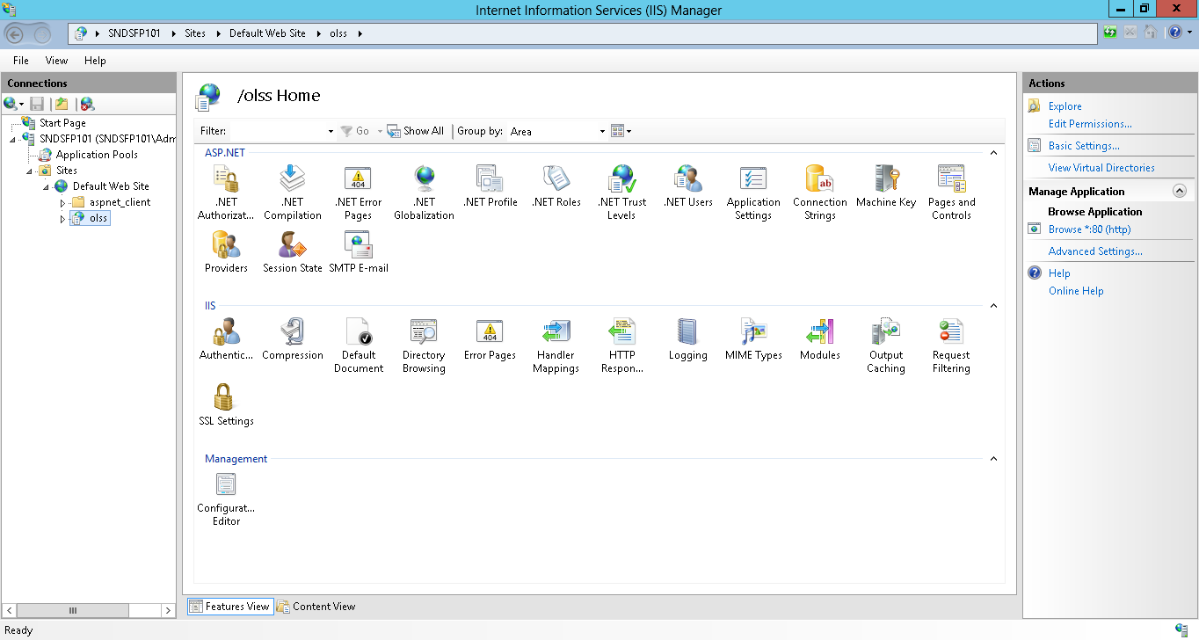

SQL Server
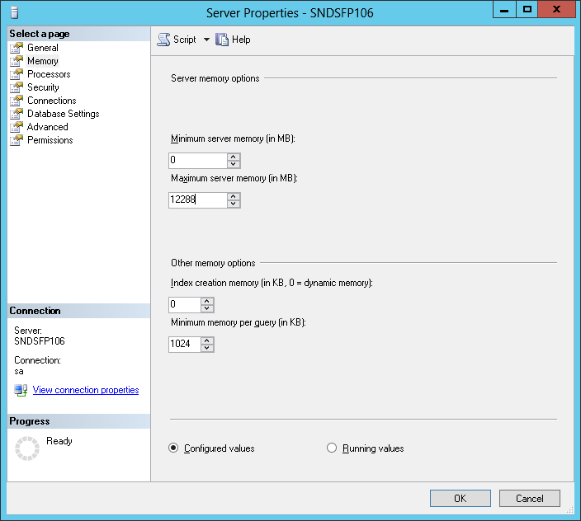
SQL Server Browser must be turned on
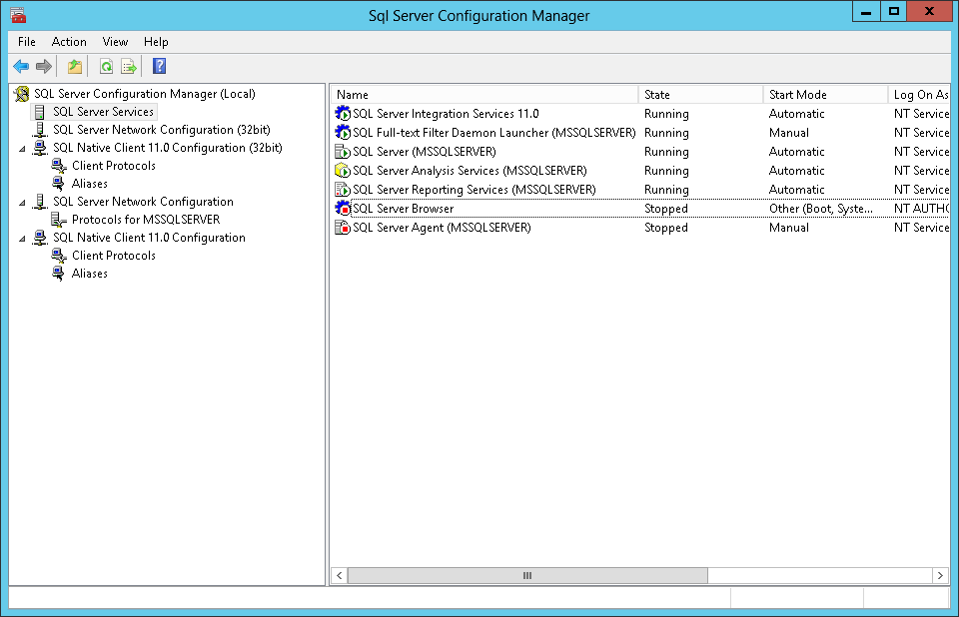

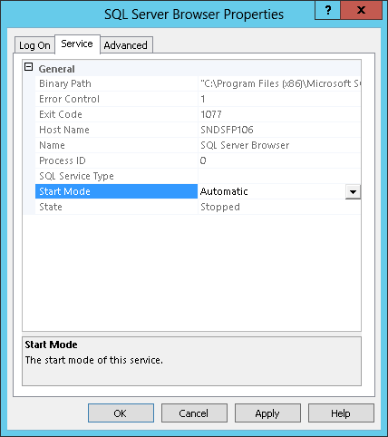

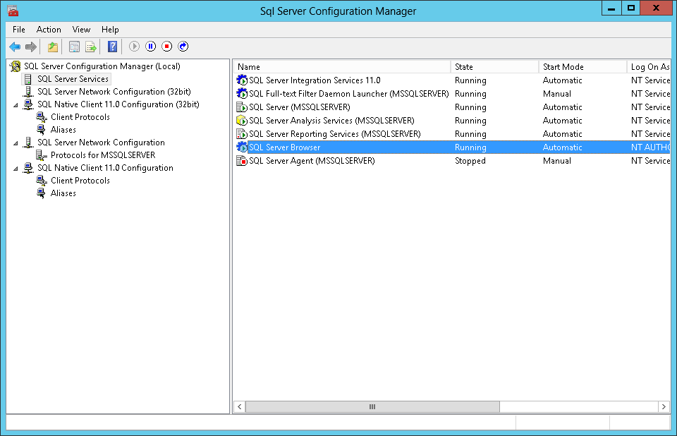

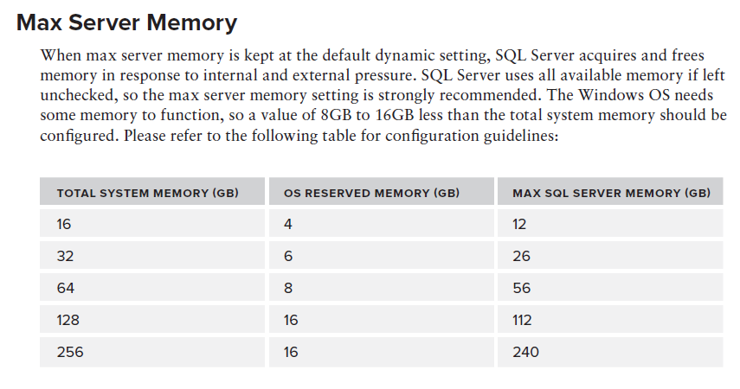

from "PROFESSIONAL Microsoft® SQL Server ® 2012 Administration", Worx, 2012
12GB = 12288MB

tempdb
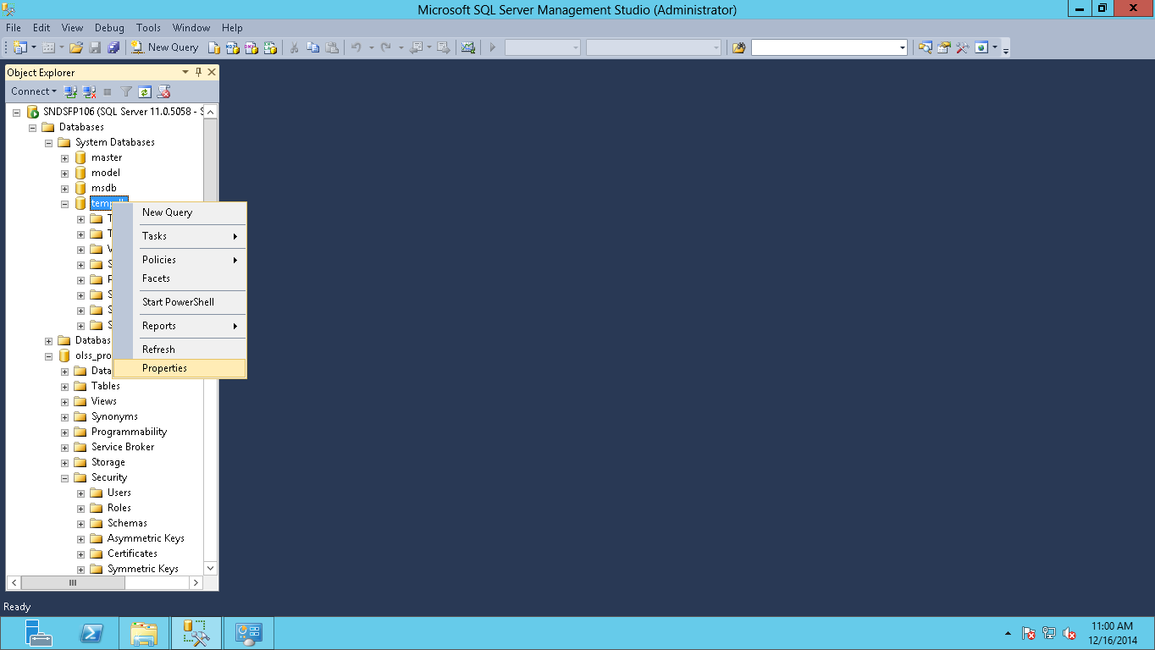
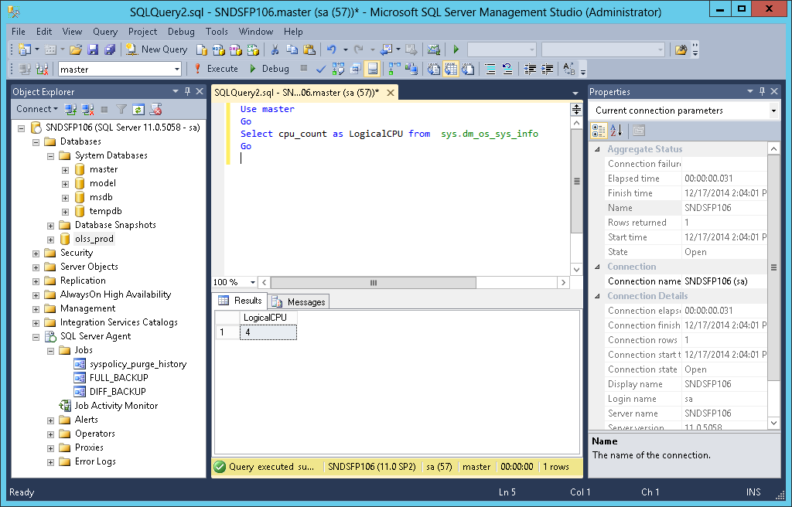
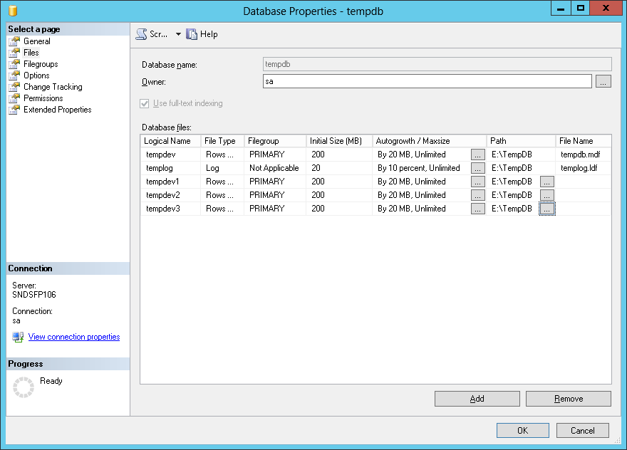
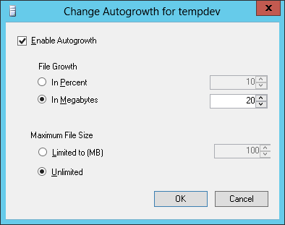
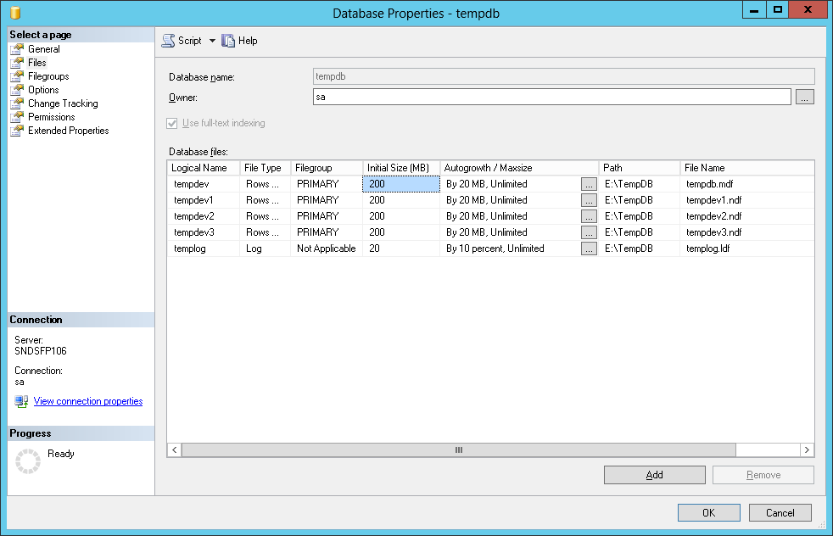
change location from default (C:\Program Files\Microsoft SQL Server\MSSQL11.MSSQLSERVER\MSSQL\DATA\) to E:\TempDB
( see http://msdn.microsoft.com/ja-jp/library/ms345408(v=sql.110).aspx )

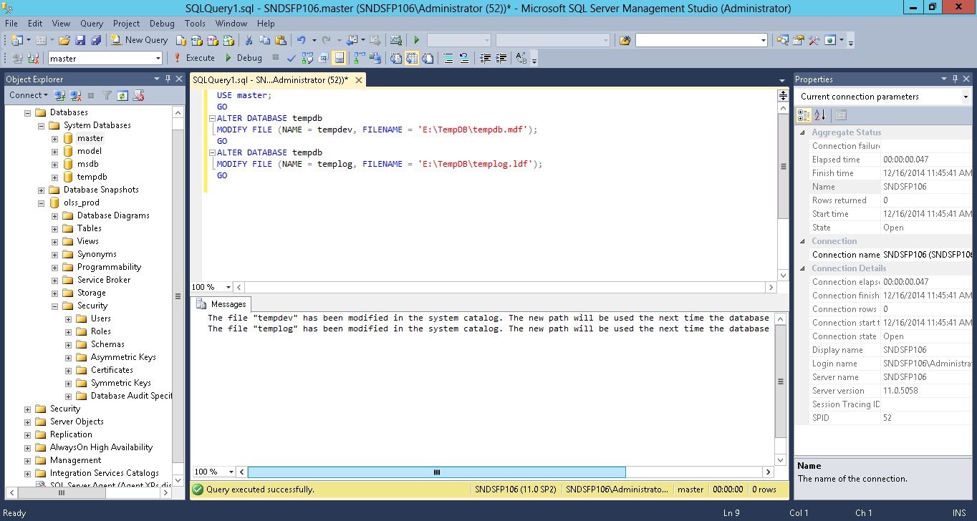

restart SQL Server
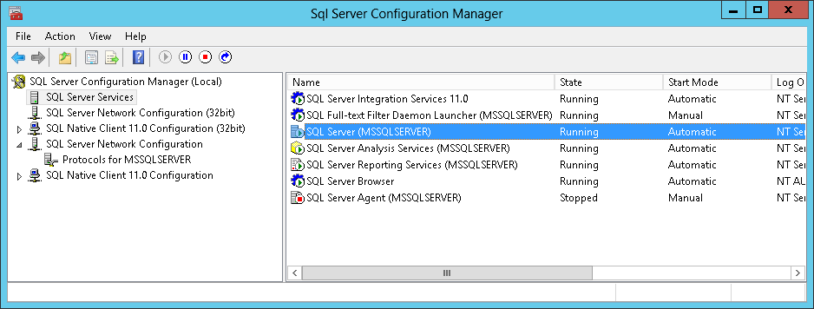

delete old tempdb.mdf and tempdb.ldf from C:\Program Files\Microsoft SQL Server\MSSQL11.MSSQLSERVER\MSSQL\DATA\ | New files are created automatically after restarting SQL Server service




see http://msdn.microsoft.com/en-us/library/ms175527.aspx
number of logical CPU core = 4, so allocate 4 files for tempDB
initial size = 200MB, FILEGROWTH increment = 20MB
 |  | cheking cores via sp

test DB














database file location
D:\SQL Data
olss_prod
olss_test
E:\SQL Data
olss_prod
olss_test
TempDb

SQL Server User





SQL server has 2 step authentication mechanism to access database.
1st to login SQL Server | → | olss_dblogin
2nd to access database | → | olss_dbuser



olss_dblogin/OPL10000


enable as Database user for target database


olss_dbuser


map to olss_dblogin

PROD db
■Config
Database transaction and Log should be located on different drive.
data on D\ , logs on E\
Add temp database more than one depend on sum CPU.
4 files ・・・4 means number of logical core
Should by configure max_server_memory.
12GB ・・・to keep 4GB for windows operating system from 16GB physila memory
If we use autogrowth, should be better use unrestricted growth and set in Megabytes not in percentage.
tempdb, olss_prod
■Operation
Please make sure all table already create index with properly (based on where clause).
Configure Daily Full backup and differential backup (consider free space)
■Development
Avoid used select all (*) in query statement.
Avoid instance more than one.

